Sheet1
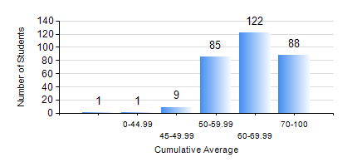
 |  |  | KWAME NKRUMAH UNIVERSITY OF SCIENCE AND TECHNOLOGY, KUMASI Department of Civil Engineering

 |  |  | BSC. CIVIL ENG.

 |  |  | COMPREHENSIVE RECORD OF EXAMINATION RESULTS

 |  |  | RESULTS OF YEAR 2 FIRST SEMESTER, 2022/2023 ACADEMIC YEAR

 | Sn | Course Code |  | Course Name | Credit Hours | Min. Mark | Max. Mark | Avg. Mark | Std. Dev. | No. Passed | No. Trailed | No. (Df) | No. (I) | No. (I*) | No. Tagged(I,I*,Df) | Total
 | 0. |  |  |  |  |  |  | 0 | 0 | 0 | 0 | 0 | 0 | 0 | 0 | 30
 | 1. | CE 251 |  | STRENGTH OF MATERIALS | 2 | 0 | 95 | 64 | 14.68 | 273 | 3 | 0 | 0 | 0 | 0 | 276
 | 2. | CE 255 |  | THEORY OF STRUCTURES | 3 | 0 | 99 | 60 | 17.26 | 258 | 18 | 0 | 0 | 0 | 0 | 276
 | 3. | CE 257 |  | COMPUTER PROGRAMMING | 2 | 0 | 86 | 70 | 9.26 | 274 | 2 | 0 | 0 | 0 | 0 | 276
 | 4. | CE 259 |  | ENGINEERING GEOLOGY | 2 | 0 | 84 | 46 | 11.23 | 210 | 66 | 0 | 0 | 0 | 0 | 276
 | 5. | CE 271 |  | ENGINEERING REPORTING | 2 | 0 | 94 | 59 | 18.7 | 244 | 32 | 0 | 0 | 0 | 0 | 276
 | 6. | CENG 291 |  | ENGINEERING IN SOCIETY | 2 | 0 | 93 | 69 | 10.75 | 274 | 2 | 0 | 0 | 0 | 0 | 276
 | 7. | MATH 251 |  | DIFFERENTIAL EQUATIONS | 4 | 0 | 94 | 64 | 10.85 | 274 | 2 | 0 | 0 | 0 | 0 | 276

